Workbook overview
NUTRIENT AND EROSION MANAGEMENT (NEM) WORKBOOK

This workbook is designed to support outdoor growers to develop and maintain two plans required for the responsible management of contaminants from horticultural production systems, including nitrogen, phosphorus, and sediment. These plans include: • Nutrient Management Plan (NMP), in accordance with the Nutrient Management Code of Practice 2026 • Erosion and Sediment Control Plan (ESCP), in accordance with the Erosion and Sediment Control Code of Practice 2026 The Nutrient and Erosion Management (NEM) workbook steps growers through the process of undertaking risk assessments to identify practices to implement, to manage the risk of contaminant loss. This workbook should be supported with additional information required for each plan, for example, nutrient budgets, records, and test results, as well as mapped locations of environmental mitigations (e.g. Sediment Retention Ponds). The information contained in this workbook forms part of a wider farm plan. There is no requirement to use this exact workbook, but it's a helpful tool to meet the criteria set out in the Nutrient Management and Erosion and Sediment Control Codes of Practice. Instructions This workbook should be reviewed on an annual basis to track progress towards actions. To do this, we recommend keeping a working or current version of this workbook e.g. "J Apple Farm - NEM workbook.xlsx", and saving a separate dated copy each year before reviewing. This will allow you to demonstrate progress over time.
This workbook has a number of built-in formulas and links to help make information entry and navigation as easy as possible. Each tab contains a template you can fill in to help complete both your Nutrient Management Plan and Erosion and Sediment Control Plan. The tabs and workbook align with the relevant Codes of Practices. Updates to this workbook may occur at any time. As part of your annual review, please check the HortNZ website to ensure you are using the latest version.
Cells coloured light yellow are fillable.

Contents

Business information | Summary of key business details and space to write goals relating to nutrient and erosion management.
Risk - N loss | Space to record blocks and enter details to undertake an N loss risk assessment.
Risk - Erosion & P loss | Space to enter details to undertake an Erosion / P loss risk assessment.
Risk summary | Summary table of risk assessment results.
Nutrient risk group (NRG) tables
Green | Minimum and Additional practices, with space to record actions, for all blocks in NRG Green
Amber | Minimum and Additional practices, with space to record actions, for all blocks in NRG Amber
Red | Minimum and Additional practices, with space to record actions, for all blocks in NRG Red
Erosion risk group (ERG) tables
Very low | Minimum and Additional practices, with space to record actions, for Very low erosion risk blocks
Green | Minimum and Additional practices, with space to record actions, for Green erosion risk blocks
Amber | Minimum and Additional practices, with space to record actions, for Amber erosion risk blocks
Red | Minimum and Additional practices, with space to record actions, for Red erosion risk blocks
Action plan | Table to enter in more actions relating to nutrient or erosion management.


This Excel workbook will be reviewed, as necessary, by Horticulture New Zealand Incorporated. Suggestions for alterations, deletions or additions to this workbook, should be sent, together with reasons for the change, any relevant data and contact details of the person making the suggestion to info@hortnz.co.nz. Disclaimer: Horticulture New Zealand and Agrilink NZ do not accept any responsibility or liability whatsoever for any error of fact, omission, interpretation or opinion that may be present, however it may have occurred.

 |  | Version | 2.0
 |  | Date last updated | 2026-03-25
 |  | Next review date | 2026-12-01

Risk - Erosion & P loss risk
EROSION & PHOSPHORUS LOSS RISK

This table will help you complete the erosion risk assessment in Section 2.2 of the Erosion and Sediment Control Code of Practice (ESC COP). This risk assessment is also used to assess the risk of phosphorus loss in Section 4.3 of the Nutrient Management Code of Practice. The same risk assessment is used for both contaminants (i.e. sediment and phosphorus) because soil erosion is the most significant phosphorus loss pathway in horticultural production systems. The erosion risk assessment needs to be completed at a block level. Blocks from tab 'Risk - N loss' will prepopulate this table. It is useful to have the following information on hand for each production block: • Slope in degrees • Soil texture • Block erosivity • Block row length Not all information will be required for each block, depending on slope, soil texture etc. Use the risk assessment in Section 2.2 of the ESC COP for a visual guide on how the assessment uses block information to assign an Erosion Risk Group. Refer to the blue tabs labelled 'ERG' to identify what practices are to be implemented on each block, based on the level of risk. Instructions: Your Block IDs and productive areas are copied across from tab 'Risk - N loss'. As you fill out the table from left to right, cells will change colour, depending on whether further information is required to assign an Erosion Risk Group. Continue entering in information until a risk group is assigned. As this follows the Erosion Risk Assessment, feel free to use the flow chart in the Code of Practice instead. A summary of the groups assigned can be found in tab 'Risk summary'. |  |  |  |  |  |  |  | Don't Muddy the Waters (DMTW) web app DMTW is a free web app that calculates erosion and sediment loss rates, pre and post-mitigation for a given paddock based on slope, location, ground cover, row lengths and mitigation measures. The web application uses research results from the SFF project Don’t Muddy the Water as well as factors from the Revised Universal Soil Loss Equation (RUSLE) to model erosion rates. More information can be found in Section 4.1 in the Erosion and Sediment Control Code of Practice (ESC COP). Instead of using the erosion risk assessment, DMTW can be used to more accurately estimate erosion risk and assign blocks to an Erosion Risk Group. The erosion rates entered align with risk bands in the Code: • Very Low: Uncultivated • Green: < 2 t/ha/year • Amber: 2 - 7 t/ha/year • Red: > 7 t/ha/year The web app presents users with an unmitigated and mitigated erosion number. However, the unmitigated number is used to assign a risk category, as it sets the baseline for what practices should be implemented. Disclaimer: The web app assumes that all erosion and sediment control measures have been established and maintained correctly according to guidelines. Results will be misleading if the mitigation measures are not being implemented correctly. |  |  |  |  | 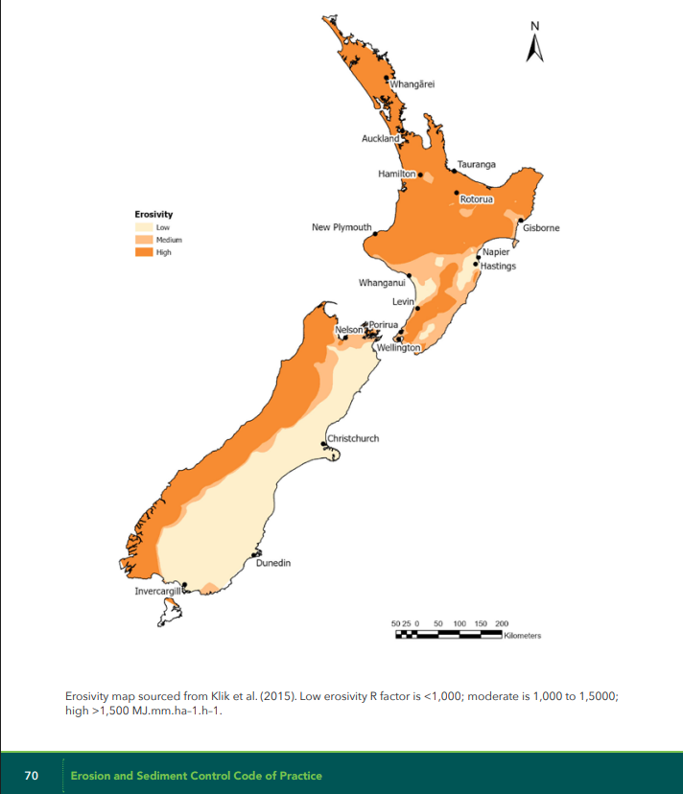 | Erosivity map
 |  |  | Erosion risk assessment (see Section 2.2 in the ESC COP) |  |  |  |  |  | Don't Muddy the Waters web app results (See Section 4.1 in the ESC COP)
No. | Block ID | Productive area (ha) | Is soil uncultivated or < 25% bare at any time of the year? | Slope (degrees) | Is the soil texture sand or loamy sand? (least likely to erode) | Block erosivity (see map ESC CoP Page 70) | Block row length (m) | Erosion Risk Group (pre mitigation) | Unmitigated erosion rate (t/ha/year) | Mitigated erosion rate (t/ha/year) | Percentage reduction | P loss (kg P/ha/year)
1
2
3
4
5
6
7
8
9
10
11
12
13
14
15
16
17
18
19
20
21
22
23
24
25
26
27
28
29
30
31
32
33
34
35
36
37
38
39
40
41
42
43
44
45
46
47
48
49
50
51
52
53
54
55
56
57
58
59
60
61
62
63
64
65
66
67
68
69
70
71
72
73
74
75
76
77
78
79
80
81
82
83
84
85
86
87
88
89
90
91
92
93
94
95
96
97
98
99
100

