2b P loss risk
2b. RISK OF PHOSPHORUS LOSS

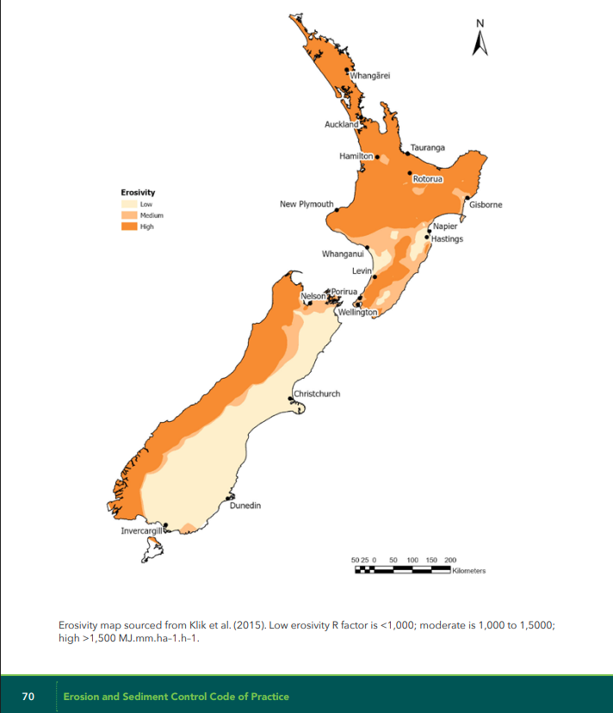
This table assists growers in completing the risk assessment for uncontrolled phosphorus loss, which can be found in Section 4.2 in the Nutrient Management Code of Practice. The most significant contributor to phosphorus loss in horticultural systems is through soil and sediment loss. By completing the Erosion Risk Assessment for each block, the level of risk recorded will direct growers to a set of practices to implement (tab 4d). This table, which records key information required to complete the Erosion Risk Assessment, can be used as part of your Erosion and Sediment Control Plan, for growers that cultivate. Growers in the Very Low category (e.g. orchardists) do not need to complete this table (past column E) or prepare an ESCP. Refer to the tab, 4d Practices for P loss, to understand what practices are to be implemented on each block, based on the level of risk. Instructions: Your Block IDs and productive areas are copied across from 2a N loss risk. As you fill out the table from left to right, cells will change colour, depending on whether further information is required to assign a level of risk. Continue entering in information until a phosphorus loss risk is assigned. As this follows the Erosion Risk Assessment, feel free to use the flow chart in the Code of Practice instead. The formatting in this tab is still in development. |  |  |  |  |  |  |  |  | Erosivity map |  |  |  |  | sandy >5 deg | < 3 deg mod eros | <4 deg, mod eros, < 200m row
No. | Block ID | Productive area (ha) | Is soil uncultivated or < 25% bare at any time of the year? | Slope (degrees) | Is the soil texture sand or loamy sand? (least likely to erode) | Block erosivity (see map ESC CoP Page 70) | Block row length (m) | Phosphorus loss risk (i.e. erosion risk) |  | LMG | Blank | VERY LOW | GREEN | AMBER | AMBER | AMBER | RED | Phosphorus loss risk
1 |  |  |  |  |  |  |  |  |  |  | 0 | 0 | 1 | 0 | 0 | 0 | 0
2 |  |  |  |  |  |  |  |  |  |  | 0 | 0 | 1 | 0 | 0 | 0 | 0
3 |  |  |  |  |  |  |  |  |  |  | 0 | 0 | 1 | 0 | 0 | 0 | 0
4 |  |  |  |  |  |  |  |  |  |  | 0 | 0 | 1 | 0 | 0 | 0 | 0
5 |  |  |  |  |  |  |  |  |  |  | 0 | 0 | 1 | 0 | 0 | 0 | 0
6 |  |  |  |  |  |  |  |  |  |  | 0 | 0 | 1 | 0 | 0 | 0 | 0
7 |  |  |  |  |  |  |  |  |  |  | 0 | 0 | 1 | 0 | 0 | 0 | 0
8 |  |  |  |  |  |  |  |  |  |  | 0 | 0 | 1 | 0 | 0 | 0 | 0
9 |  |  |  |  |  |  |  |  |  |  | 0 | 0 | 1 | 0 | 0 | 0 | 0
10 |  |  |  |  |  |  |  |  |  |  | 0 | 0 | 1 | 0 | 0 | 0 | 0
11 |  |  |  |  |  |  |  |  |  |  | 0 | 0 | 1 | 0 | 0 | 0 | 0
12 |  |  |  |  |  |  |  |  |  |  | 0 | 0 | 1 | 0 | 0 | 0 | 0
13 |  |  |  |  |  |  |  |  |  |  | 0 | 0 | 1 | 0 | 0 | 0 | 0
14 |  |  |  |  |  |  |  |  |  |  | 0 | 0 | 1 | 0 | 0 | 0 | 0
15 |  |  |  |  |  |  |  |  |  |  | 0 | 0 | 1 | 0 | 0 | 0 | 0
16 |  |  |  |  |  |  |  |  |  |  | 0 | 0 | 1 | 0 | 0 | 0 | 0
17 |  |  |  |  |  |  |  |  |  |  | 0 | 0 | 1 | 0 | 0 | 0 | 0
18 |  |  |  |  |  |  |  |  |  |  | 0 | 0 | 1 | 0 | 0 | 0 | 0
19 |  |  |  |  |  |  |  |  |  |  | 0 | 0 | 1 | 0 | 0 | 0 | 0
20 |  |  |  |  |  |  |  |  |  |  | 0 | 0 | 1 | 0 | 0 | 0 | 0
21 |  |  |  |  |  |  |  |  |  |  | 0 | 0 | 1 | 0 | 0 | 0 | 0
22 |  |  |  |  |  |  |  |  |  |  | 0 | 0 | 1 | 0 | 0 | 0 | 0
23 |  |  |  |  |  |  |  |  |  |  | 0 | 0 | 1 | 0 | 0 | 0 | 0
24 |  |  |  |  |  |  |  |  |  |  | 0 | 0 | 1 | 0 | 0 | 0 | 0
25 |  |  |  |  |  |  |  |  |  |  | 0 | 0 | 1 | 0 | 0 | 0 | 0
26 |  |  |  |  |  |  |  |  |  |  | 0 | 0 | 1 | 0 | 0 | 0 | 0
27 |  |  |  |  |  |  |  |  |  |  | 0 | 0 | 1 | 0 | 0 | 0 | 0
28 |  |  |  |  |  |  |  |  |  |  | 0 | 0 | 1 | 0 | 0 | 0 | 0
29 |  |  |  |  |  |  |  |  |  |  | 0 | 0 | 1 | 0 | 0 | 0 | 0
30 |  |  |  |  |  |  |  |  |  |  | 0 | 0 | 1 | 0 | 0 | 0 | 0
31 |  |  |  |  |  |  |  |  |  |  | 0 | 0 | 1 | 0 | 0 | 0 | 0
32 |  |  |  |  |  |  |  |  |  |  | 0 | 0 | 1 | 0 | 0 | 0 | 0
33 |  |  |  |  |  |  |  |  |  |  | 0 | 0 | 1 | 0 | 0 | 0 | 0
34 |  |  |  |  |  |  |  |  |  |  | 0 | 0 | 1 | 0 | 0 | 0 | 0
35 |  |  |  |  |  |  |  |  |  |  | 0 | 0 | 1 | 0 | 0 | 0 | 0
36 |  |  |  |  |  |  |  |  |  |  | 0 | 0 | 1 | 0 | 0 | 0 | 0
37 |  |  |  |  |  |  |  |  |  |  | 0 | 0 | 1 | 0 | 0 | 0 | 0
38 |  |  |  |  |  |  |  |  |  |  | 0 | 0 | 1 | 0 | 0 | 0 | 0
39 |  |  |  |  |  |  |  |  |  |  | 0 | 0 | 1 | 0 | 0 | 0 | 0
40 |  |  |  |  |  |  |  |  |  |  | 0 | 0 | 1 | 0 | 0 | 0 | 0
41 |  |  |  |  |  |  |  |  |  |  | 0 | 0 | 1 | 0 | 0 | 0 | 0
42 |  |  |  |  |  |  |  |  |  |  | 0 | 0 | 1 | 0 | 0 | 0 | 0
43 |  |  |  |  |  |  |  |  |  |  | 0 | 0 | 1 | 0 | 0 | 0 | 0
44 |  |  |  |  |  |  |  |  |  |  | 0 | 0 | 1 | 0 | 0 | 0 | 0
45 |  |  |  |  |  |  |  |  |  |  | 0 | 0 | 1 | 0 | 0 | 0 | 0
46 |  |  |  |  |  |  |  |  |  |  | 0 | 0 | 1 | 0 | 0 | 0 | 0
47 |  |  |  |  |  |  |  |  |  |  | 0 | 0 | 1 | 0 | 0 | 0 | 0
48 |  |  |  |  |  |  |  |  |  |  | 0 | 0 | 1 | 0 | 0 | 0 | 0
49 |  |  |  |  |  |  |  |  |  |  | 0 | 0 | 1 | 0 | 0 | 0 | 0
50 |  |  |  |  |  |  |  |  |  |  | 0 | 0 | 1 | 0 | 0 | 0 | 0
51 |  |  |  |  |  |  |  |  |  |  | 0 | 0 | 1 | 0 | 0 | 0 | 0
52 |  |  |  |  |  |  |  |  |  |  | 0 | 0 | 1 | 0 | 0 | 0 | 0
53 |  |  |  |  |  |  |  |  |  |  | 0 | 0 | 1 | 0 | 0 | 0 | 0
54 |  |  |  |  |  |  |  |  |  |  | 0 | 0 | 1 | 0 | 0 | 0 | 0
55 |  |  |  |  |  |  |  |  |  |  | 0 | 0 | 1 | 0 | 0 | 0 | 0
56 |  |  |  |  |  |  |  |  |  |  | 0 | 0 | 1 | 0 | 0 | 0 | 0
57 |  |  |  |  |  |  |  |  |  |  | 0 | 0 | 1 | 0 | 0 | 0 | 0
58 |  |  |  |  |  |  |  |  |  |  | 0 | 0 | 1 | 0 | 0 | 0 | 0
59 |  |  |  |  |  |  |  |  |  |  | 0 | 0 | 1 | 0 | 0 | 0 | 0
60 |  |  |  |  |  |  |  |  |  |  | 0 | 0 | 1 | 0 | 0 | 0 | 0
61 |  |  |  |  |  |  |  |  |  |  | 0 | 0 | 1 | 0 | 0 | 0 | 0
62 |  |  |  |  |  |  |  |  |  |  | 0 | 0 | 1 | 0 | 0 | 0 | 0
63 |  |  |  |  |  |  |  |  |  |  | 0 | 0 | 1 | 0 | 0 | 0 | 0
64 |  |  |  |  |  |  |  |  |  |  | 0 | 0 | 1 | 0 | 0 | 0 | 0
65 |  |  |  |  |  |  |  |  |  |  | 0 | 0 | 1 | 0 | 0 | 0 | 0
66 |  |  |  |  |  |  |  |  |  |  | 0 | 0 | 1 | 0 | 0 | 0 | 0
67 |  |  |  |  |  |  |  |  |  |  | 0 | 0 | 1 | 0 | 0 | 0 | 0
68 |  |  |  |  |  |  |  |  |  |  | 0 | 0 | 1 | 0 | 0 | 0 | 0
69 |  |  |  |  |  |  |  |  |  |  | 0 | 0 | 1 | 0 | 0 | 0 | 0
70 |  |  |  |  |  |  |  |  |  |  | 0 | 0 | 1 | 0 | 0 | 0 | 0
71 |  |  |  |  |  |  |  |  |  |  | 0 | 0 | 1 | 0 | 0 | 0 | 0
72 |  |  |  |  |  |  |  |  |  |  | 0 | 0 | 1 | 0 | 0 | 0 | 0
73 |  |  |  |  |  |  |  |  |  |  | 0 | 0 | 1 | 0 | 0 | 0 | 0
74 |  |  |  |  |  |  |  |  |  |  | 0 | 0 | 1 | 0 | 0 | 0 | 0
75 |  |  |  |  |  |  |  |  |  |  | 0 | 0 | 1 | 0 | 0 | 0 | 0
76 |  |  |  |  |  |  |  |  |  |  | 0 | 0 | 1 | 0 | 0 | 0 | 0
77 |  |  |  |  |  |  |  |  |  |  | 0 | 0 | 1 | 0 | 0 | 0 | 0
78 |  |  |  |  |  |  |  |  |  |  | 0 | 0 | 1 | 0 | 0 | 0 | 0
79 |  |  |  |  |  |  |  |  |  |  | 0 | 0 | 1 | 0 | 0 | 0 | 0
80 |  |  |  |  |  |  |  |  |  |  | 0 | 0 | 1 | 0 | 0 | 0 | 0
81 |  |  |  |  |  |  |  |  |  |  | 0 | 0 | 1 | 0 | 0 | 0 | 0
82 |  |  |  |  |  |  |  |  |  |  | 0 | 0 | 1 | 0 | 0 | 0 | 0
83 |  |  |  |  |  |  |  |  |  |  | 0 | 0 | 1 | 0 | 0 | 0 | 0
84 |  |  |  |  |  |  |  |  |  |  | 0 | 0 | 1 | 0 | 0 | 0 | 0
85 |  |  |  |  |  |  |  |  |  |  | 0 | 0 | 1 | 0 | 0 | 0 | 0
86 |  |  |  |  |  |  |  |  |  |  | 0 | 0 | 1 | 0 | 0 | 0 | 0
87 |  |  |  |  |  |  |  |  |  |  | 0 | 0 | 1 | 0 | 0 | 0 | 0
88 |  |  |  |  |  |  |  |  |  |  | 0 | 0 | 1 | 0 | 0 | 0 | 0
89 |  |  |  |  |  |  |  |  |  |  | 0 | 0 | 1 | 0 | 0 | 0 | 0
90 |  |  |  |  |  |  |  |  |  |  | 0 | 0 | 1 | 0 | 0 | 0 | 0
91 |  |  |  |  |  |  |  |  |  |  | 0 | 0 | 1 | 0 | 0 | 0 | 0
92 |  |  |  |  |  |  |  |  |  |  | 0 | 0 | 1 | 0 | 0 | 0 | 0
93 |  |  |  |  |  |  |  |  |  |  | 0 | 0 | 1 | 0 | 0 | 0 | 0
94 |  |  |  |  |  |  |  |  |  |  | 0 | 0 | 1 | 0 | 0 | 0 | 0
95 |  |  |  |  |  |  |  |  |  |  | 0 | 0 | 1 | 0 | 0 | 0 | 0
96 |  |  |  |  |  |  |  |  |  |  | 0 | 0 | 1 | 0 | 0 | 0 | 0
97 |  |  |  |  |  |  |  |  |  |  | 0 | 0 | 1 | 0 | 0 | 0 | 0
98 |  |  |  |  |  |  |  |  |  |  | 0 | 0 | 1 | 0 | 0 | 0 | 0
99 |  |  |  |  |  |  |  |  |  |  | 0 | 0 | 1 | 0 | 0 | 0 | 0
100 |  |  |  |  |  |  |  |  |  |  | 0 | 0 | 1 | 0 | 0 | 0 | 0

